Nature of Payment
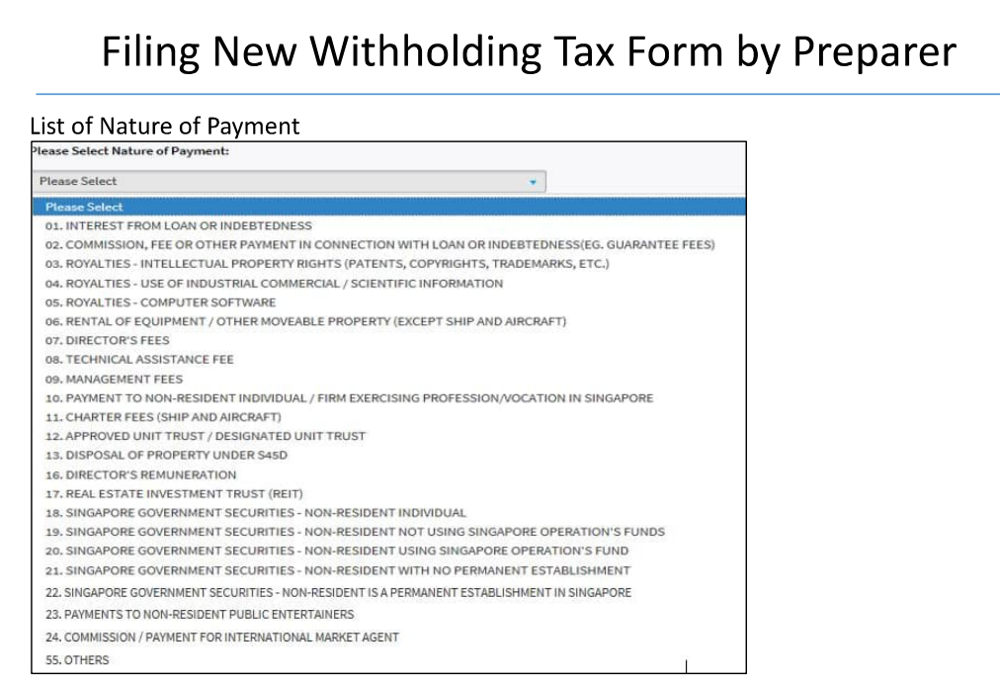
Nature of Payment

Rental / Leasing
Royalties (Tech Fees)
Services
Interest expense

 | As shown in tax filing page

