Payment Type DV
Payment types

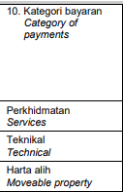
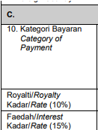
Services | Form CP37
Rent
Royalties ( Software)
Interest
Royalties ( TAF / software)
Rent (leasing)

