Service Type DV
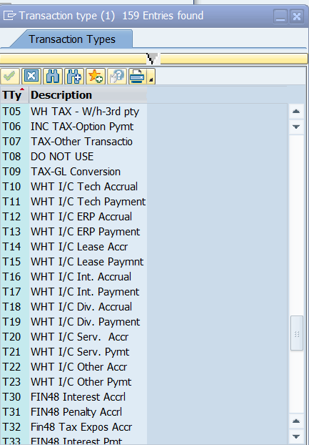
Service type details | Detalle de Servicios (Spanish)

Consulting Services | Servicios de Consultoría
Technical services | Servicios Técnicos
Professional services | Servicios Profesionales
Other services intelectual skills | Servicios predomina el intelecto
Legal Services | Servicios Legales
Other services | Otros Servicios
Transport services | Servicios de Transporte
Insurance services | Seguros
Construction services | Servicios de Construcción
Lease, Rental services - building | Arrendamiento de bienes inmuebles
Public services | Servicios prestados por instituciones o empresas públicas
Advertizing and communication | Publicidad y comunicación
Use or exploitation of image or reputation | Utilización o aprovechamiento de imagen
Purchase settlements (Cultural level or hardiness) | Servicios predomina mano de obra o rústicos
Purchase of goods of agricultural, poultry, livestock, beekeepin, rabit, bioaquatic forestry and meat origin | Compra de bienes de origen agrícola, avícola, ganadero, apícola, cunícola, bioacuático forestal y cárnico
Royalties, copyrights, trademarks, patents and alike | Regalías, derechos de autor, marcas, patentes o similares
Lease, Rental services - Others Equipments | Arrendamientos de bienes muebles o equipos
Services from qualified craftsman | Servicio de artesano calificado
Maintenance services | Servicios de mantenimiento
Purchase of goods | Compras de bienes
Interest | Intereses

** Transactions with Intecompanies are identified by "Transation Types"

