Available_Field_Types
 | Custom Header Fields - Availability and Reportability
Custom Field Types | Definition |  | Example | Example in SAP Ariba's system
Boolean | Displays Yes and No radio buttons.
Date | Accepts a date. The date can be typed into the field or selected from a calendar. The date and time will be displayed to the user in their time zone. |  | 12/31/2020 | 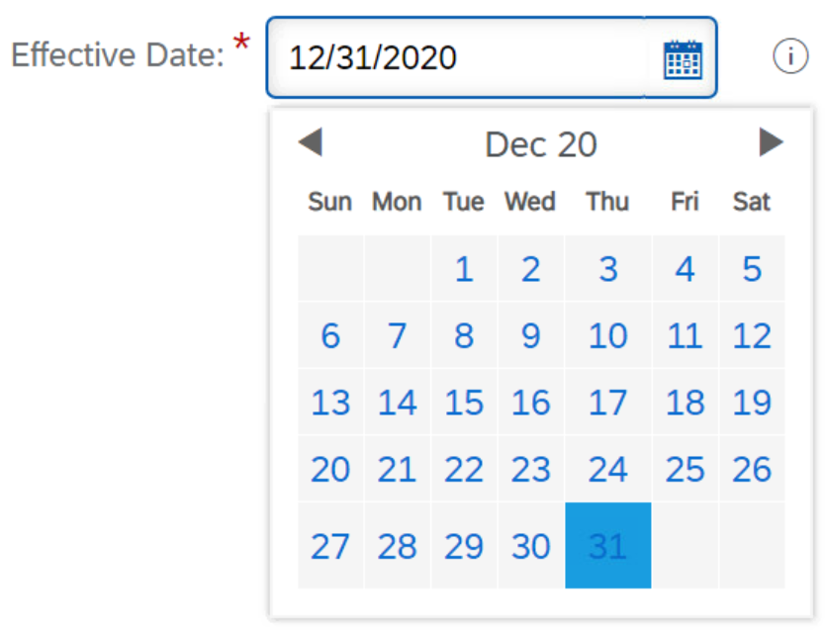
Date (Calendar) | Accepts a date. The date can be typed into the field or selected from a calendar. A Calendar Date field stores a date and time with no time zone information. The date and time will be displayed the same for all users, regardless of their time zone.
Decimal Number | Accepts integers (whole numbers) or decimal numbers (fractions), such as 2 or 0.008. |  | 12.54
Integer | Accepts integers (whole numbers), such as 2 or 34567. |  | 12
Money | Accepts a decimal number that the system then treats as a currency value in calculations and conversions. Note: The system can perform currency conversions on values entered in Money fields. |  | $250,000 USD
Percentage | Accepts integers (whole numbers) or decimal numbers (fractions) that are treated as percentages when used in calculations. For example, if users enter 25, the system uses 0.25 in calculations that use that value. Note: Percentage values can be greater that 100. |  | 75.5%
Free Text | Accepts one line of free text up to 1,000 characters in length. |  | Demo Contract Workspace 31-12-2020
Multiline Text | Accepts multiple lines of free text, up to 1,000 characters in length. |  | Sourcing a vendor to provide janitorial services at our new office location in New York City.
Text Single Select | Displays an enumeration pick list where only one value can be selected. |  | NET 30 | 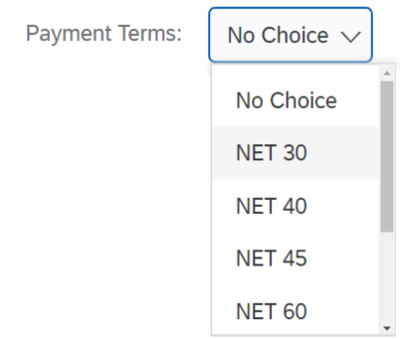
Text Multiple Select | Displays an enumeration pick list where multiple values can be selected. Note: Text Multiple Select fields do not support hierarchical data. |  |  | 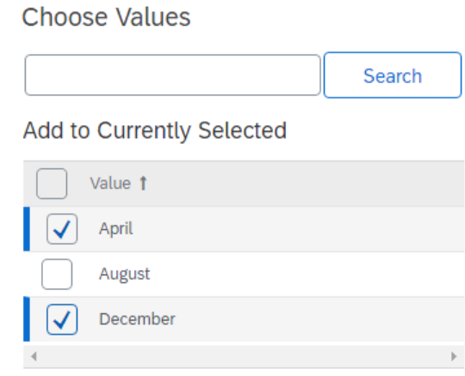
URL Link | Accepts a URL address and displays a text hyperlink. The text displayed is the URL. |  | www.ariba.com
User Multiple Select | Select from the list of users that are loaded into your site. Note: If added as a Line Item Field, the field type is User Single Select. |  | Test Site User 2, Test Site User 3 | 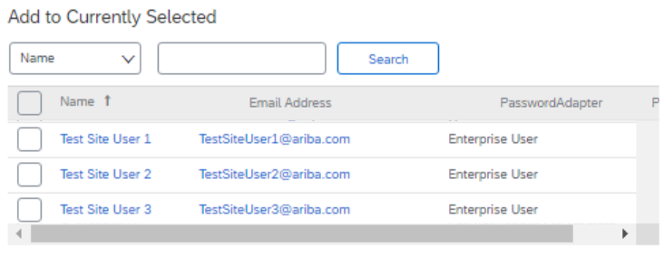
Flex Master Data Single Select | Flex master data is typically more complex than data stored in normal fields. For example, you would use an enumeration and a text field to store the names of hospitals. But, you would use flex master data to store the names of hospitals and attributes such as their addresses, phone numbers, and the name of the hospital administrator. When users select a hospital, they can click it to view the attribute data. The most common use for an FMD field is as an extended, dynamic picklist where the number of picks available exceeds what would be rational for a standard picklist (up to about 20 or 30). The reason for this is that the FMD field is searchable, user-maintained, and can literally accommodate tens of thousands of picks. An FMD field can act like a mini database. The selected value becomes a hyperlink that can open up a window displaying additional data fields (non-reportable). For Flex Master Data Single Select fields it is possible to make the additional data reportable by auto-populating separate, reportable custom fields that are bound to the FMD field. Note: When the FMD field acts as a mini-database, each separate, reportable custom field counts against your allotted number of custom fields for that solution. |  | Bon Secours | 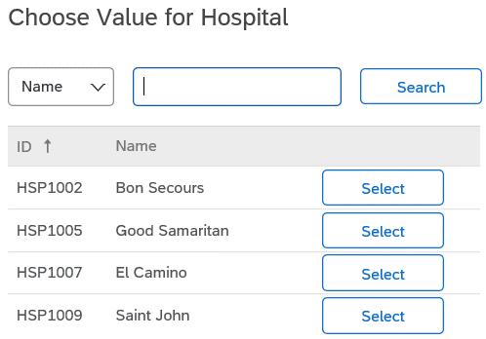
Flex Master Data Multiple Select | Flex master data is typically more complex than data stored in normal fields. For example, you would use an enumeration and a text field to store the names of hospitals. But, you would use flex master data to store the names of hospitals and attributes such as their addresses, phone numbers, and the name of the hospital administrator. When users select a hospital, they can click it to view the attribute data. The most common use for an FMD field is as an extended, dynamic picklist where the number of picks available exceeds what would be rational for a standard picklist (up to about 20 or 30). The reason for this is that the FMD field is searchable, user-maintained, and can literally accommodate tens of thousands of picks. An FMD field can act like a mini database. The selected value becomes a hyperlink that can open up a widow displaying additional data fields (non-reportable). For Flex Master Data Multiple Select fields it is not possible to make the additional data reportable. |  | Bon Secours, Good Samaritan, El Camino | 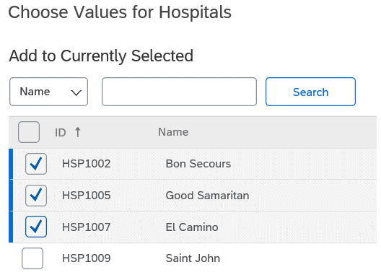

SAP Ariba Solution | Type of custom field | Quantity Available
SAP Ariba Sourcing | Integer | 20
 | Text / Multiline Text / URL Link | 82
 | Money | 15
 | Date | 25
 | Boolean | 40
 | Percentage | 10
 | Decimal Number
 | User | 7
 | Flex Master Data (Single Select) | 28
 | Flex Master Data (Multiple Select) | 14
 | Text Multiple Select | 15

SAP Ariba Contracts Procurement Contract Workspace | Integer | 26
 | Text / Multiline Text / URL Link | 35
 | Money | 7
 | Date | 10
 | Boolean | 12
 | Percentage | 10
 | Decimal Number
 | User | 4
 | Flex Master Data (Single Select) | 11
 | Flex Master Data (Multiple Select) | 4
 | Text Multiple Select | 3
SAP Ariba Contracts Procurement Contract Request | Integer | 26
 | Text / Multiline Text / URL Link | 34
 | Money | 7
 | Date | 10
 | Boolean | 12
 | Percentage | 10
 | Decimal Number
 | User | 4
 | Flex Master Data (Single Select) | 19
 | Flex Master Data (Multiple Select) | 6
 | Text Multiple Select | 3
SAP Ariba Contracts Sales Contract Workspace | Integer | 26
 | Text / Multiline Text / URL Link | 41
 | Money | 8
 | Date | 10
 | Boolean | 12
 | Percentage | 10
 | Decimal Number
 | User | 4
 | Flex Master Data (Single Select) | 11
 | Flex Master Data (Multiple Select) | 4
 | Text Multiple Select | 3
SAP Ariba Contracts Sales Contract Request | Integer | 26
 | Text / Multiline Text / URL Link | 41
 | Money | 8
 | Date | 10
 | Boolean | 12
 | Percentage | 10
 | Decimal Number
 | User | 4
 | Flex Master Data (Single Select) | 19
 | Flex Master Data (Multiple Select) | 6
 | Text Multiple Select | 3
SAP Ariba Contracts Internal Contract Workspace | Integer | 26
 | Text / Multiline Text / URL Link | 40
 | Money | 8
 | Date | 10
 | Boolean | 12
 | Percentage | 10
 | Decimal Number
 | User | 4
 | Flex Master Data (Single Select) | 11
 | Flex Master Data (Multiple Select) | 4
 | Text Multiple Select | 3
SAP Ariba Contracts Abstract Contracts* | Integer | 18
 | Text / Multiline Text / URL Link | 30
 | Money | 5
 | Date | 7
 | Boolean | 9
 | Percentage | 7
 | Decimal Number
 | User | 0
 | Flex Master Data (Single Select) | 3
 | Flex Master Data (Multiple Select) | 2
 | Text Multiple Select | 3
*Abstract Contracts represents both Sell-Side (Sales) and Buy-Side (Procurement) Contracts. This is the "parent" to both types of contracts.

SAP Ariba Supplier Information and Performance Management Supplier Performance Management Projects | Integer | 20
 | Text / Multiline Text / URL Link | 10
 | Money | 8
 | Date | 6
 | Boolean | 6
 | Percentage | 10
 | Decimal Number
 | User | 2
 | Flex Master Data (Single Select) | 8
 | Flex Master Data (Multiple Select) | 2
 | Text Multiple Select | 3

Knowledge Projects | Note: No Custom Fields Available.

Form_Available_Field_Types
 | Custom Header Fields - Availability and Reportability
Custom Field Types | Definition |  | Example | Example in SAP Ariba's system
Boolean | Displays Yes and No radio buttons.
Date | Accepts a date. The date can be typed into the field or selected from a calendar. The date and time will be displayed to the user in their time zone. |  | 12/31/2020
Date (Calendar) | Accepts a date. The date can be typed into the field or selected from a calendar. A Calendar Date field stores a date and time with no time zone information. The date and time will be displayed the same for all users, regardless of their time zone.
Decimal Number | Accepts integers (whole numbers) or decimal numbers (fractions), such as 2 or 0.008. |  | 12.54
Integer | Accepts integers (whole numbers), such as 2 or 34567. |  | 12
Money | Accepts a decimal number that the system then treats as a currency value in calculations and conversions. Note: The system can perform currency conversions on values entered in Money fields. |  | $250,000 USD
Percentage | Accepts integers (whole numbers) or decimal numbers (fractions) that are treated as percentages when used in calculations. For example, if users enter 25, the system uses 0.25 in calculations that use that value. Note: Percentage values can be greater that 100. |  | 75.5%
Free Text | Accepts one line of free text up to 1,000 characters in length. |  | Demo Contract Workspace 31-12-2020
Multiline Text | Accepts multiple lines of free text, up to 1,000 characters in length. |  | Sourcing a vendor to provide janitorial services at our new office location in New York City.
Text Single Select | Displays an enumeration pick list where only one value can be selected. |  | NET 30
Text Multiple Select | Displays an enumeration pick list where multiple values can be selected. Note: Text Multiple Select fields do not support hierarchical data.
Long Rich Text | Accepts formatted text of unlimited length. This field displays a text box and uses a Rich Text editor. For example, users can format text to use bold, italics, color, bullets, and other light formatting. If text overflows the text box, scrollbars appear to allow easier editing. |  | This is the summary of my project. I can use bold, italic, and underline to emphasize my text. I can make my text BIG or small. | 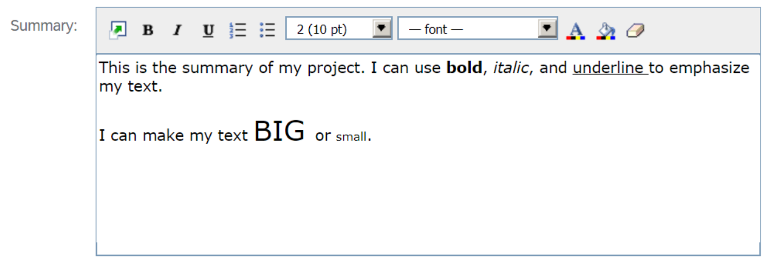
Long Text | Accepts one line of text of unlimited length. This field is similar to the Long Rich Text field, but without Rich Text capability. This field does not support picklist values. |  | I can type unlimited, unformatted text to summarize my project.
URL Link | Accepts a URL address and displays a text hyperlink. The text displayed is the URL. |  | www.ariba.com
User Multiple Select | Select from the list of users that are loaded into your site. Note: If added as a Line Item Field, the field type is User Single Select. |  | Test Site User 2, Test Site User 3
Commodity Multiple Select | Select from the Commodity Codes defined in the master data from the Enablement Workbook. Note: If added as a Line Item Field, the field type is Commodity Single Select. |  | Mineral and ores and metals, Earth and stone | 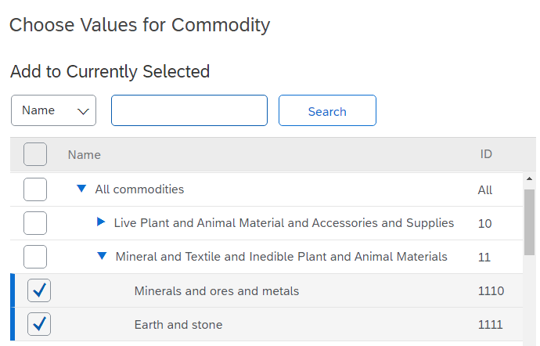
Department Multiple Select | Select from the Departments defined in the master data from the Enablement Workbook. Note: If added as a Line Item Field, the field type is Department Single Select. |  | Corporate, Accounting | 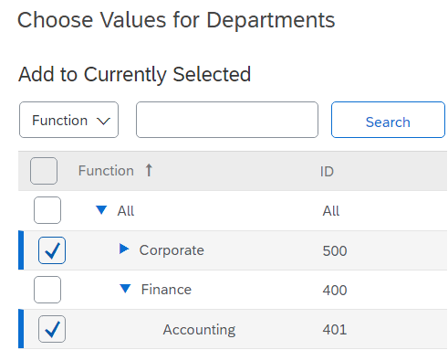
Region Multiple Select | Select from the Regions defined in the master data from the Enablement Workbook. Note: If added as a Line Item Field, the field type is Region Single Select. |  | Asia Pacific, Belize | 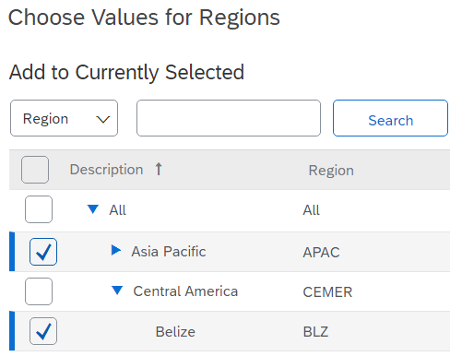
Supplier/Customer Multiple Select | Select from the External Organizations (Suppliers and/or Customers) defined in the master data from the Enablement Workbook. Note: If added as a Line Item Field, the field type is Supplier/Customer Single Select. |  | New Org Test, Child Supplier 1, Child Supplier 2 | 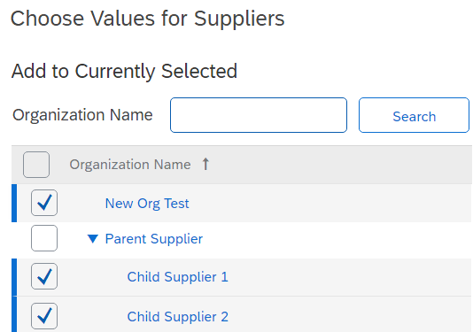
Product Multiple Select | Select from the Products defined in the master data from the Enablement Workbook. This field only applies to customers who create Contract Workspace (Sales) projects. Note: If added as a Line Item Field, the field type is Product Single Select. |  | Paper & Envelopes, Pens & Pencils | 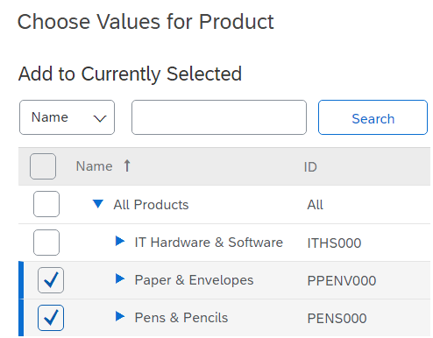
Flex Master Data Single Select | Flex master data is typically more complex than data stored in normal fields. For example, you would use an enumeration and a text field to store the names of hospitals. But, you would use flex master data to store the names of hospitals and attributes such as their addresses, phone numbers, and the name of the hospital administrator. When users select a hospital, they can click it to view the attribute data. The most common use for an FMD field is as an extended, dynamic picklist where the number of picks available exceeds what would be rational for a standard picklist (up to about 20 or 30). The reason for this is that the FMD field is searchable, user-maintained, and can literally accommodate tens of thousands of picks. An FMD field can act like a mini database. The selected value becomes a hyperlink that can open up a widow displaying additional data fields (non-reportable). For Flex Master Data Single Select fields it is possible to make the additional data reportable by auto-populating separate, reportable custom fields that are bound to the FMD field. Note: When the FMD field acts as a mini-database, each separate, reportable custom field counts against your allotted number of custom fields for that solution. |  | Bon Secours
Flex Master Data Multiple Select | Flex master data is typically more complex than data stored in normal fields. For example, you would use an enumeration and a text field to store the names of hospitals. But, you would use flex master data to store the names of hospitals and attributes such as their addresses, phone numbers, and the name of the hospital administrator. When users select a hospital, they can click it to view the attribute data. The most common use for an FMD field is as an extended, dynamic picklist where the number of picks available exceeds what would be rational for a standard picklist (up to about 20 or 30). The reason for this is that the FMD field is searchable, user-maintained, and can literally accommodate tens of thousands of picks. An FMD field can act like a mini database. The selected value becomes a hyperlink that can open up a widow displaying additional data fields (non-reportable). For Flex Master Data Multiple Select fields it is not possible to make the additional data reportable. |  | Bon Secours, Good Samaritan, El Camino

SAP Ariba Solution | Type of custom field | Quantity Available
SAP Ariba Form Field Data | Integer | 30
 | Text | 45*
 | Text Single Choice
 | Multiline Text
 | URL Link
 | Text Multiple Select | 12
 | Money | 20
 | Date | 25
 | Boolean | 30
 | Decimal Number | 35*
 | Percentage
 | User Multiple Select | 5
 | Region Multiple Select | 1
 | Commodity Multiple Select | 1
 | Department Multiple Select | 1
 | Flex Master Data Single Select | 8
 | Flex Master Data Multiple Select | 3
 | Supplier/Customer Multiple Select | 1
 | Product Multiple Select | 1
 | Long Rich Text | 35*
 | Long Text
SAP Ariba Form Line Items | Integer | 5
 | Text | 7*
 | Text Single Choice
 | Multiline Text
 | URL Link
 | Money | 5
 | Date | 3
 | Boolean | 5
 | Decimal Number | 5*
 | Percentage
 | User Single Select | 4
 | Region Single Select | 1
 | Commodity Single Select | 1
 | Department Single Select | 1
 | Flex Master Data Single Select | 10
 | Supplier/Customer Single Select | 1
 | Product Single Select | 1
 | Long Rich Text | 3
 | Long Text
* Field Types that share the same pre-allocated space.

Savings_Layout
Saving Tracker Form Layout
Details Section
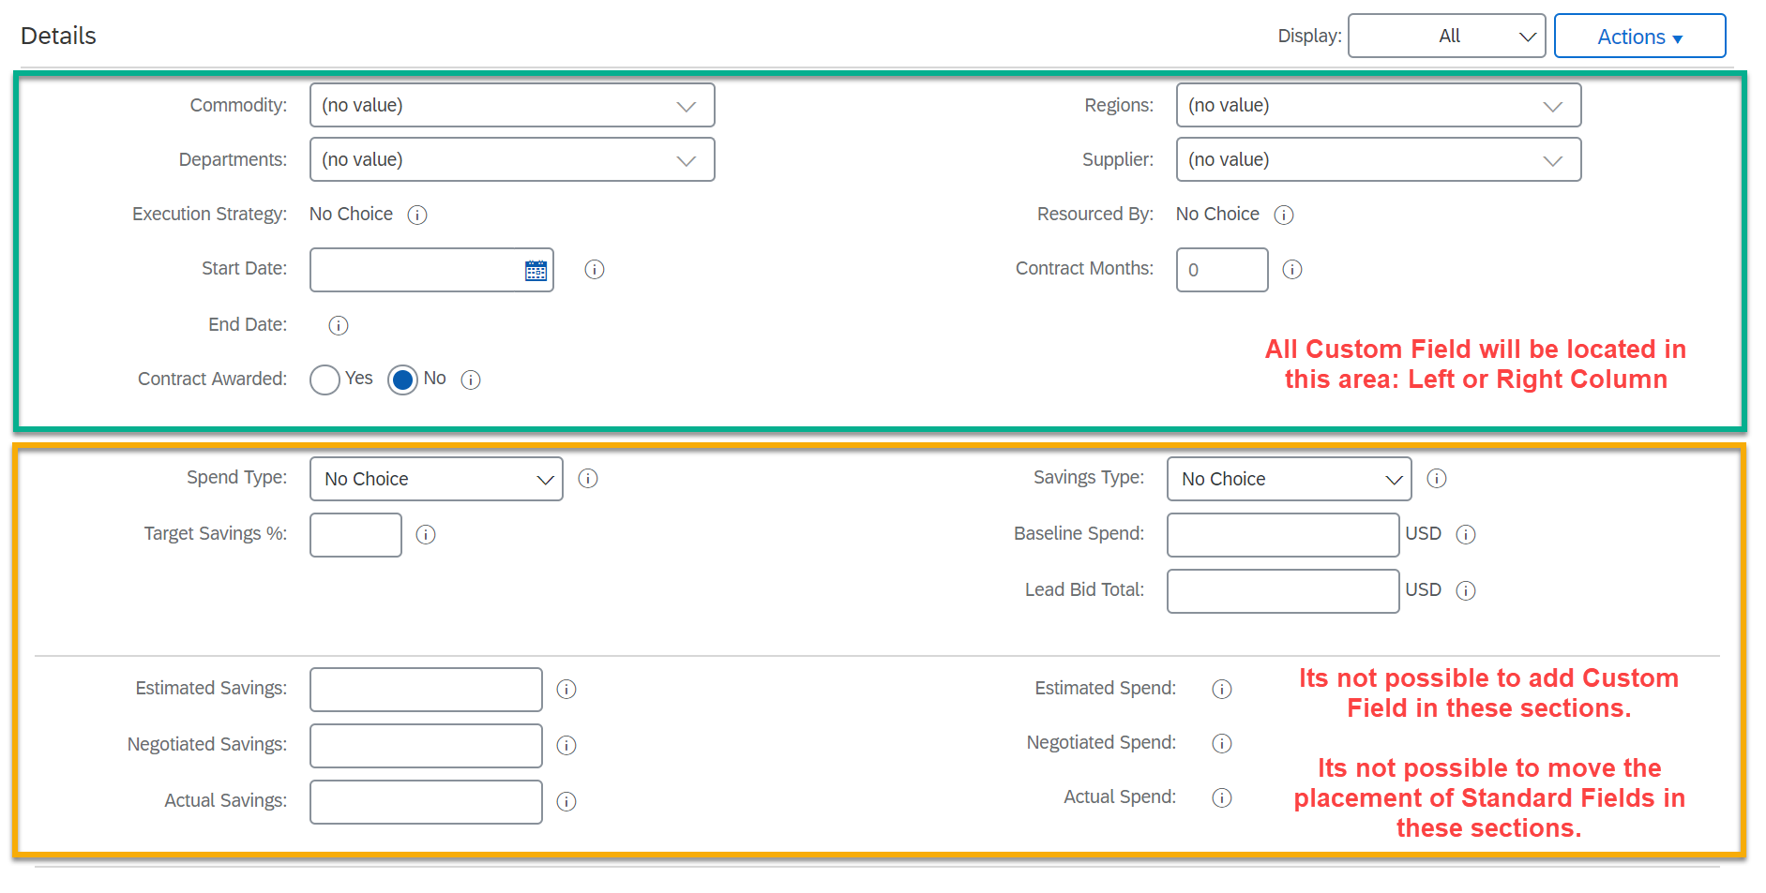

Inherent Risk Assessment
All Standard Fields will be listed from Left to Right in the Interface (highlighted in yellow below). All Custom Fields will be placed to the right of the Standard Fields (highlighted in green below).
It is possible to move Standard fields within the Yellow area below, but it is not possible to place any Custom fields within this area.

